TC001_LND_Order2
1] data structure validation

TC001_LND_Order1 data structure validation

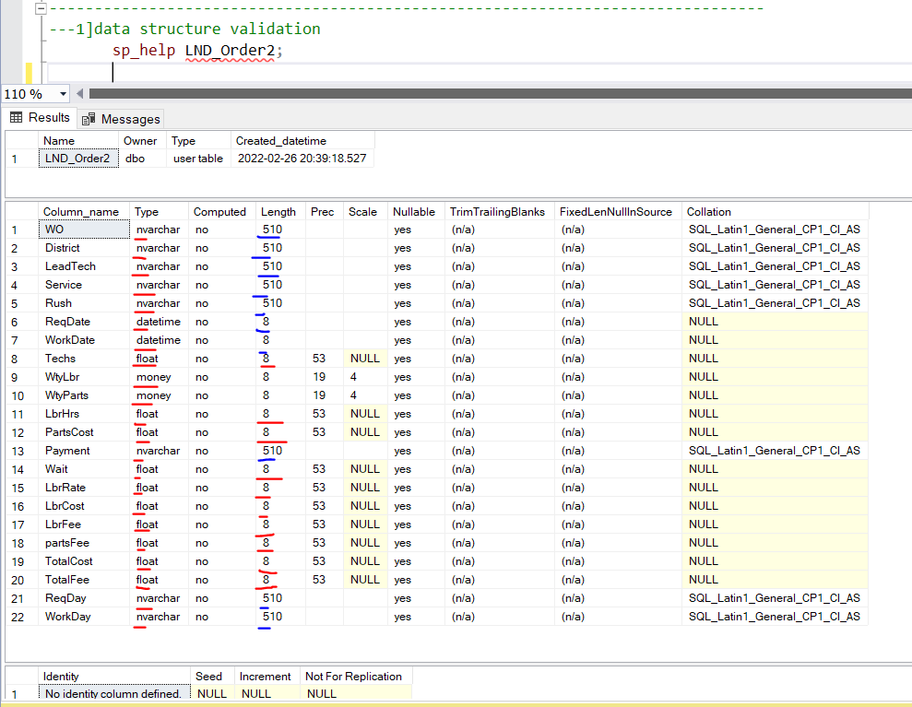
 | Source |  | Target
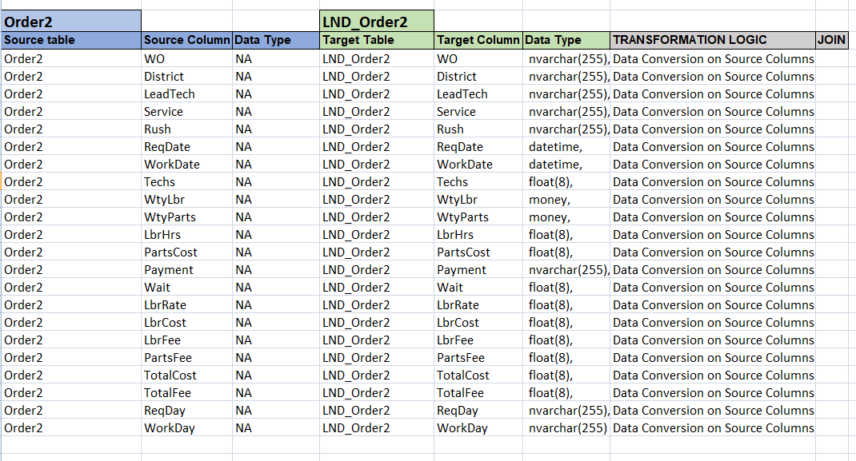

 |  | Observation::Source and target stracture mismatched for table LND_order2 ,see again blue color in Target table

TC002_LND_Order2
2] count validation |  |  |  |  |  |  |  |  | 2] count validation

TC002_LND_Order2 count validation
TC001_LND_Order2 count validation
 | Source

WO | District | LeadTech | Service | Rush | ReqDate | WorkDate | Techs | WtyLbr | WtyParts | LbrHrs | PartsCost | Payment | Wait | LbrRate | LbrCost | LbrFee | PartsFee | TotalCost | TotalFee | ReqDay | WorkDay | count in source table | Target
A00120 | Central | Cartier | Repair |  | 8-Sep-20 | 21-Sep-20 | 1 |  |  | 1.75 | 475.00 | Account | 13 | 80 | 140.00 | 140.00 | 475.00 | 615.00 | 615.00 | Tue | Mon | 20
A00121 | Southeast | Khan | Replace |  | 8-Sep-20 | 22-Sep-20 | 1 |  |  | 1.75 | 341.00 | C.O.D. | 14 | 80 | 140.00 | 140.00 | 341.00 | 481.00 | 481.00 | Tue | Tue
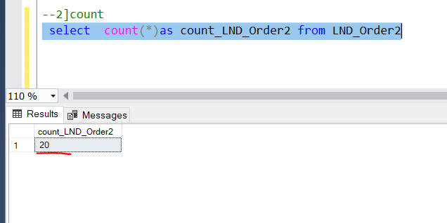
A00122 | Northwest | Khan | Assess |  | 8-Sep-20 | 28-Oct-20 | 1 |  |  | 0.75 | 61.18 | C.O.D. | 50 | 80 | 60.00 | 60.00 | 61.18 | 121.18 | 121.18 | Tue | Wed
A00123 | South | Lopez | Replace |  | 8-Sep-20 | 17-Nov-20 | 1 |  |  | 0.50 | 155.39 | Account | 70 | 80 | 40.00 | 40.00 | 155.39 | 195.39 | 195.39 | Tue | Tue
A00124 | Northwest | Michner | Replace | Yes | 9-Sep-20 | 24-Sep-20 | 2 |  |  | 0.50 | 204.28 | C.O.D. | 15 | 140 | 70.00 | 70.00 | 204.28 | 274.28 | 274.28 | Wed | Thu
A00125 | South | Lopez | Assess |  | 9-Sep-20 | 29-Sep-20 | 1 |  |  | 0.50 | 37.92 | Account | 20 | 80 | 40.00 | 40.00 | 37.92 | 77.92 | 77.92 | Wed | Tue
A00126 | Northwest | Burton | Deliver | Yes | 9-Sep-20 | 29-Sep-20 | 1 |  |  | 0.25 | 88.41 | Account | 20 | 80 | 20.00 | 20.00 | 88.41 | 108.41 | 108.41 | Wed | Tue
A00127 | South | Lopez | Deliver |  | 9-Sep-20 | 29-Sep-20 | 1 |  |  | 0.25 | 202.29 | Account | 20 | 80 | 20.00 | 20.00 | 202.29 | 222.29 | 222.29 | Wed | Tue
A00128 | West | Khan | Assess |  | 10-Sep-20 | 28-Sep-20 | 1 |  |  | 0.50 | 120.00 | P.O. | 18 | 80 | 40.00 | 40.00 | 120.00 | 160.00 | 160.00 | Thu | Mon
A00129 | Northwest | Michner | Deliver |  | 11-Sep-20 | 14-Sep-20 | 1 |  |  | 0.25 | 120.00 | Account | 3 | 80 | 20.00 | 20.00 | 120.00 | 140.00 | 140.00 | Fri | Mon
A00130 | Southwest | Cartier | Replace |  | 11-Sep-20 | 15-Sep-20 | 2 |  |  | 0.50 | 535.62 | C.O.D. | 4 | 140 | 70.00 | 70.00 | 535.62 | 605.62 | 605.62 | Fri | Tue
A00131 | Northwest | Khan | Assess |  | 11-Sep-20 | 23-Sep-20 | 2 |  |  | 0.25 | 24.63 | Account | 12 | 140 | 35.00 | 35.00 | 24.63 | 59.63 | 59.63 | Fri | Wed
A00132 | Northwest | Khan | Replace |  | 11-Sep-20 | 26-Sep-20 | 2 |  |  | 0.50 | 43.26 | Account | 15 | 140 | 70.00 | 70.00 | 43.26 | 113.26 | 113.26 | Fri | Sat
A00133 | West | Khan | Assess |  | 11-Sep-20 | 6-Oct-20 | 1 |  |  | 0.25 | 21.33 | Account | 25 | 80 | 20.00 | 20.00 | 21.33 | 41.33 | 41.33 | Fri | Tue
A00134 | West | Khan | Replace |  | 12-Sep-20 | 28-Sep-20 | 1 |  |  | 1.00 | 0.46 | C.O.D. | 16 | 80 | 80.00 | 80.00 | 0.46 | 80.46 | 80.46 | Sat | Mon
A00135 | Northwest | Khan | Assess |  | 14-Sep-20 | 24-Sep-20 | 2 |  |  | 0.25 | 126.62 | C.O.D. | 10 | 140 | 35.00 | 35.00 | 126.62 | 161.62 | 161.62 | Mon | Thu
A00136 | West | Khan | Replace |  | 14-Sep-20 | 28-Sep-20 | 1 |  |  | 1.50 | 251.00 | Account | 14 | 80 | 120.00 | 120.00 | 251.00 | 371.00 | 371.00 | Mon | Mon
A00137 | Southeast | Cartier | Assess | Yes | 14-Sep-20 | 5-Oct-20 | 1 |  |  | 0.50 | 395.28 | P.O. | 21 | 80 | 40.00 | 40.00 | 395.28 | 435.28 | 435.28 | Mon | Mon
A00138 | Northwest | Michner | Deliver | Yes | 14-Sep-20 | 7-Oct-20 | 1 |  |  | 0.25 | 36.00 | Account | 23 | 80 | 20.00 | 20.00 | 36.00 | 56.00 | 56.00 | Mon | Wed
A00139 | South | Lopez | Assess |  | 14-Sep-20 | 23-Nov-20 | 1 |  |  | 1.75 | 510.68 | P.O. | 70 | 80 | 140.00 | 140.00 | 510.68 | 650.68 | 650.68 | Mon | Mon

 |  |  |  |  |  |  |  |  |  |  | Observation :: source and Traget count exactly same

